Sheet1
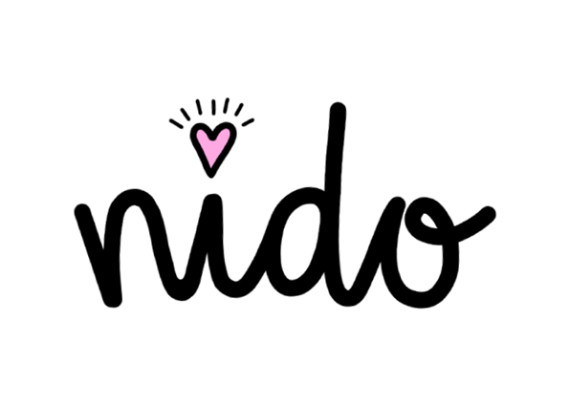

WHOLESALE ORDER FORM

Order Date: |  |  |  | Delivery Address:
Contact Name: |  |  |  | Billing Address (if different):
Company Name:
Contact Email: |  |  |  | Purchase order # / Ref:
Contact Phone: |  |  |  | Delivery (if not ASAP):

Product Name | SKU | RRP | Price | Pack Size | Order Quantity | Total Cost
Banana Dangles | B2 | £18.50 | £7.71 | 3 |  | £-
Cassette Dangles | C2 | £19.50 | £8.13 | 3 |  | £-
Rainbow Chard | CH1 | £16.50 | £6.88 | 3 |  | £-
Floral Studs | F3 | £9.95 | £4.15 | 5 |  | £-
Pink Blossom | FB1A | £16.50 | £6.88 | 2 |  | £-
Orange Blossom | FB1B | £16.50 | £6.88 | 2 |  | £-
Foxgloves | FB1C | £16.50 | £6.88 | 2 |  | £-
Sunflowers | FB1D | £16.50 | £6.88 | 2 |  | £-
Green Leaves | FB1E | £16.50 | £6.88 | 2 |  | £-
Pink Leaves | FB1F | £16.50 | £6.88 | 2 |  | £-
Pink Floppy Disks | FD1A | £16.50 | £6.88 | 3 |  | £-
Blue Floppy Disks | FD1B | £16.50 | £6.88 | 3 |  | £-
Yellow Floppy Disks | FD1C | £16.50 | £6.88 | 3 |  | £-
Floppy Disk Studs | FD3 | £9.95 | £4.15 | 6 |  | £-
Jellybean Dangles | JB2 | £25.00 | £10.42 | 2 |  | £-
Lava Lamps Hoops | LL1 | £15.00 | £6.25 | 3 |  | £-
Lava Lamp Studs | LL3 | £9.95 | £4.15 | 6 |  | £-
Classic Planets | P1A | £16.50 | £6.88 | 3 |  | £-
Alien Planets | P1B | £16.50 | £6.88 | 3 |  | £-
Planetary Studs | P3 | £8.95 | £3.73 | 5 |  | £-
Shooting Star Necklace | P4 | £15.00 | £6.25 | 3 |  | £-
Pure Joy Tubes | PJ2 | £21.50 | £8.96 | 3 |  | £-
Pure Joy Necklace | PJ4 | £15.00 | £6.25 | 3 |  | £-
Mismatched Plectrums | PL1A | £15.00 | £6.25 | 3 |  | £-
Classic Plectrums | PL1B | £15.00 | £6.25 | 3 |  | £-
Red Paint Tubes | PT2A | £21.50 | £8.96 | 3 |  | £-
Orange Paint Tubes | PT2B | £21.50 | £8.96 | 3 |  | £-
Yellow Paint Tubes | PT2C | £21.50 | £8.96 | 3 |  | £-
Pink Paint Tubes | PT2D | £21.50 | £8.96 | 3 |  | £-
Green Paint Tubes | PT2E | £21.50 | £8.96 | 3 |  | £-
Radish Dangles | R2 | £21.50 | £8.96 | 3 |  | £-
Rainbow Clouds | RC2 | £24.00 | £10.00 | 3 |  | £-
Rainbow Pinwheels | RP1 | £16.50 | £6.88 | 3 |  | £-
Scribble Studs | SC3 | £9.95 | £4.15 | 3 |  | £-
Mismatched Squiggles | SQ2A | £18.50 | £7.71 | 3 |  | £-
90s Squiggles | SQ2B | £18.50 | £7.71 | 3 |  | £-
Classic Toadstools | T1A | £15.00 | £6.25 | 3 |  | £-
Pink Toadstools | T1B | £15.00 | £6.25 | 3 |  | £-
Yellow Toadstool Studs | T3D | £9.95 | £4.15 | 3 |  | £-
Pink Toadstool Studs | T3B | £9.95 | £4.15 | 3 |  | £-
Classic Toadstool Studs | T3A | £9.95 | £4.15 | 3 |  | £-
Blue Toadstool Studs | T3C | £9.95 | £4.15 | 3 |  | £-
Toadstool Necklace | T4 | £16.50 | £6.88 | 3 |  | £-
Witches Hats | W1 | £16.50 | £6.88 | 2 |  | £-

 |  |  |  |  | SUBTOTAL | £-
 |  |  |  |  | SHIPPING | £-
 |  |  |  |  | TOTAL | £-
