Cover Sheet
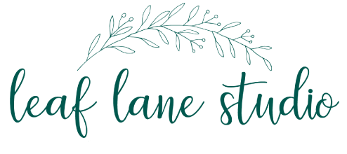
Leaf Lane Studio, 38 Barrabill Way, Launceston, Cornwall, PL15 7FW.
Email Lucy on: hello@leaflanestudio.com
07810 044474

Customer Info |  | Admin Use Only
Date |  | Order No.
 |  | New/Return Customer
Business Name |  | Additional Notes

Contact Name

Billing Address

Delivery Address (if different)

Email

Phone

Special Requirements

Total Order Value | £-

Terms & Conditions | First order minimum £150 Repeat order minimum £100 Free postage to UK on orders over £200 No VAT Lead time 1- 4 weeks to be confirmed A note on packaging: All paper products come wrapped in a belly-band and are packaged in a compostable cello. If you would prefer no packaging please just state upon ordering.

