Cover Sheet
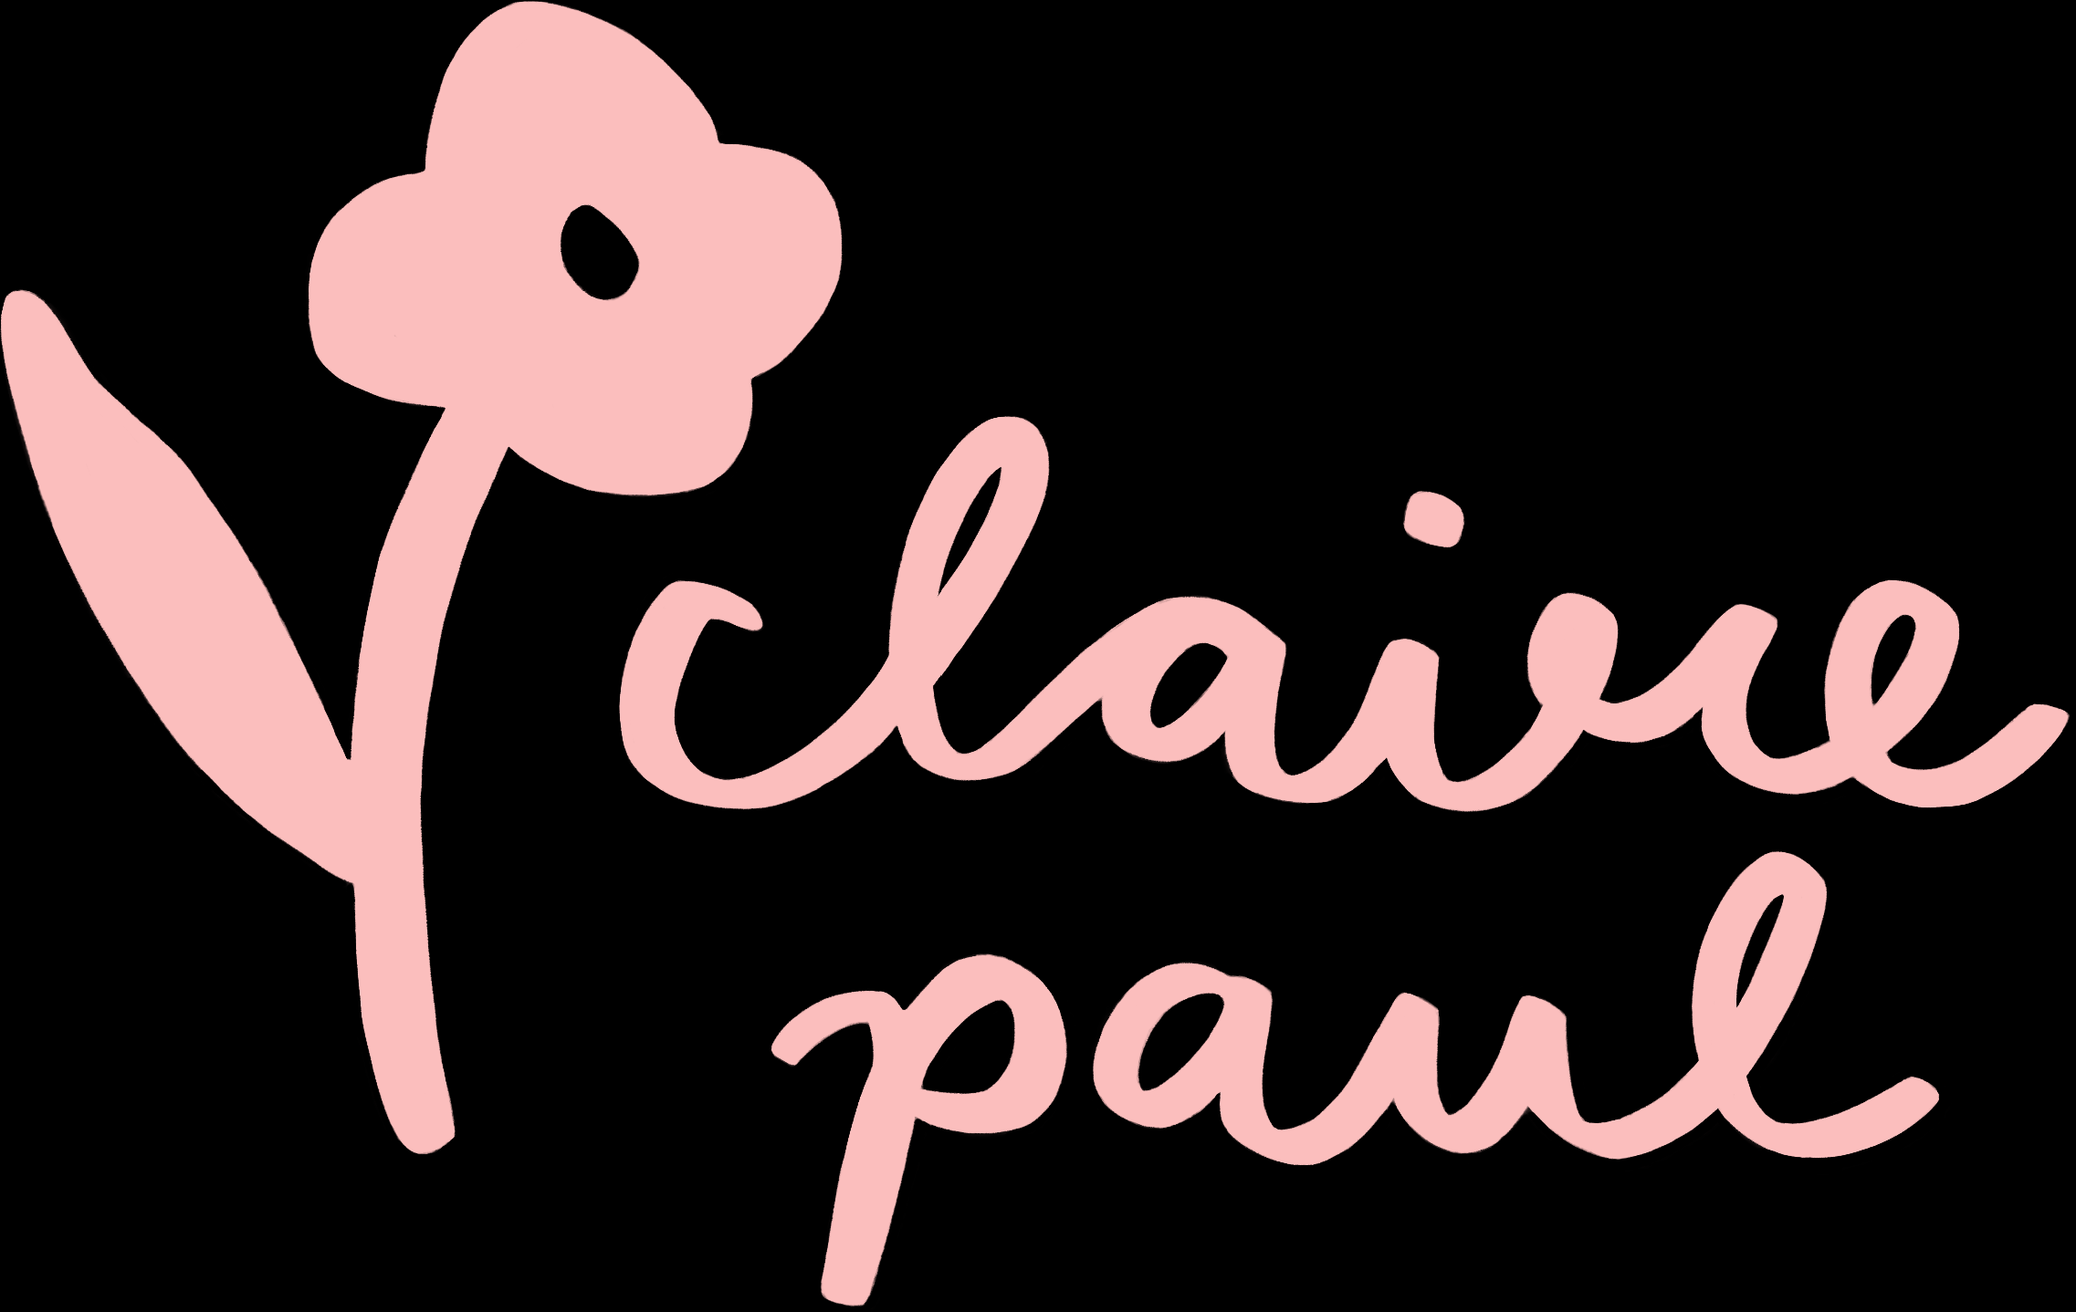
16 Pentire Mews, 21 Pentire Crescent, Newquay, Cornwall, TR7 1GW
hello@clairepaul.co.uk
TEL 07891549127

Customer Info |  | Admin Use Only
Date |  | Order No.
 |  | New/Return Customer
Business Name |  | Additional Notes

Contact Name

Billing Address

Delivery Address (if different)

Email

Phone

Special Requirements

Total Order Value | £-

 | TERMS & CONDITIONS ORDERING & PAYMENT Please email us at hello@clairepaul.co.uk to place an order including SKU, name, quantities, shipping address and preferred email for invoice. £100 minimum opening orders. UK carriage paid: Over £200 There is a flat fee of £7.50 for orders under the carraige paid threshold. Express delivery is available at an additional cost. Claire Paul Illustration is not responsible for any delivery delays. All orders ship from our studio in Cornwall. As we are a small business, opening order invoices are required to be pre-paid and completed before dispatch. Repeat orders have 30 days to complete payment after dispatch. No VAT
 | LEAD TIMES We aim to send orders out within 1 week however this can vary at busy times. Post show and winter season orders may require additional processing time. We will keep you updated of any changes to your delivery date.
 | CANCELLATIONS, EXCHANGES & RETURNS Please get in touch with any changes or to cancel your order within 2 days of ordering. Any returns or exchanges must be reported within 1 week of delivery receipt and must be returned in their original packaging.
 | CONTACT Email: hello@clairepaul.co.uk Website: www.clairepaul.co.uk Instagram: @clairepauldraws

